1. Title Page
[Project Name]

Project Name: Instacart Grocery Basket Analysis
Date: 7 June 2023
Analyst Name: Lavinia

Contents:
Population Flow
Consistency checks
Wrangling steps
Column derivations
Visualizations
Recommendations

Citation:
“The Instacart Online Grocery Shopping Dataset 2017”, Accessed from www.instacart.com/datasets/grocery-shopping-2017 via Kaggle on 16 May 2023

2. Population Flow
Title page

Population flow

Exclusion flag
Condition: max_price <= 100
Obervations to be removed: 5,127
Final total count of order_products_all: 32,404,859 (decided to mark the outliers as missing values instead)D

Orders_products_combined
Orders_products_merged
Orders_products_all
=
Total: 32,404,859
Total: 32,434,489
Total: 32,404,859

1.) The grey boxes in the first row of the population flow represent the original data sets as they were when you downloaded them. In the Total fields you need to add the count of the rows when you imported the data set into Jupyter.
2.) The second row of boxes (coloured) represents the data sets after you manipulated them, e.g., removed missing values and duplicates. In the Total fields you need to add the count of the rows after conducting these operations. This offers a visual oveview of how the data flows throughout the data consistency checks.
3.) The third row, where also the arrows are coloured, represents the merges you performed between the datasets. In the Total fields you need to add the count of the rows in the merged datasets, so that you end up with the final dataset (in the red box). Keep in mind the final dataset should be without exclusions (based on the exclusion flag).

3. Consistency checks
 |  |  |  | Title page
Consistency checks

Dataset | Missing values | Missing values treatment | Duplicates
orders | 206,209 missing values in 'days_since_prior_order' column | No treatment done | No duplicates found
products | 16 missing values in 'product_name' column | Dropping the row with missing values | 5 duplicates are found and removed
orders_products_prior | No missing values found |  | No duplicates found
customers | 11,259 missing values found in 'First Name' column | No treatment done | No duplicates found

4. Wrangling steps
 |  |  |  | Title page
Wrangling steps

Columns dropped | Columns renamed | Columns' type changed | Comment/Reason
eval_set |  |  | Not needed
 | order_dow |  | renamed to orders_day_of_week
 |  | order_id | changed from integer to string as it is an identifier variable
 | STATE |  | changed to state
 | fam_status |  | renamed to marital_status
 |  | user_id | changed from integer to string as it is an identifier variable
First Name |  |  | removed for security concerns since it contains PII
Last Name |  |  | removed for security concerns since it contains PII

5. Column derivations
 |  |  |  |  | Title page

Column derivations and aggregations

In this tab you should add tables below that the frequences of flags/label variables that you produced after deriving them. NB: don't do this for continuous variables, only for flags.
Dataset | New column | Column/s it was derived from | Conditions | Frequency
orders_products_merged | "price_range_loc" | "prices" | prices <= 5: "Low-range product" | 10,126,321
 |  |  | 5 < prices <= 15: "Mid-range product" | 21,860,860
 |  |  | prices > 15: "High-range product" | 417,678

orders_products_merged | "busiest_day" | "orders_day_of_week" | if day 0 (Sat.), "Busiest day" | 6,204,182
 |  |  | if day 4 (Wed.), "Least busy" | 3,783,802
 |  |  | else: "Regularly busy" | 22,416,875

orders_products_merged | "busiest_days" | "orders_day_of_week" | if day 0 or 1 (Sat. or Sun.), "Busiest days" | 11,864,412
 |  |  | if day 3 or 4 (Wed. or Thurs.), "Slowest days" | 7,624,336
 |  |  | else: "Regular busy days" | 12,916,111

orders_products_merged | "busiest period of day" | "order_hour_of_day" | 9am-4pm: "Most orders" | 21,118,071
 |  |  | 11pm-6am: "Fewest orders" | 1,289,137
 |  |  | else: "Average orders" | 9,997,651

orders_products_merged | "max_order" | "order_number" | display maximum number of orders each customer has made

orders_products_merged | "loyalty_flag" | "max_order" | max_order > 40: "Loyal customer" | 10,284,093
 |  |  | 10 < max_order <= 40: "Regular customer" | 15,876,776
 |  |  | max_order <= 10: "New customer" | 6,243,990

orders_products_merged | "avg_price_order" | "prices" | display mean price of items purchased by each user

orders_products_merged | "spending_flag" | "avg_price_order" | avg_price_order < 10: "Low spender" | 31,770,742
 |  |  | avg_price_order >= 10: "High spender" | 634,117

orders_products_merged | "median_freq" | "days_since_prior_order" | display the median number of days between orders for each user

orders_products_merged | "frequency_flag" | "median_freq" | median > 20: "Non-frequent customer" | 3,636,437
 |  |  | 10 < median <= 20: "Regular customer" | 7,208,564
 |  |  | median <= 10: "Frequent customer" | 21,559,853

project_file | "Region" | "State" | "midwest" | 7,597,325
 |  |  | "northeast" | 5,722,736
 |  |  | "south" | 10,791,885
 |  |  | "west" | 8,292,913

project_file | "activity_flag" | "max_order" | max_order < 5: "Low-activity customer" | 1,440,295
 |  |  | max_order >= 5: "Non low-activity customer" | 30,964,564

project_file | "age_flag" | "age" | age <= 35: "Young" | 8,738,805
 |  |  | 35 < age < 56: "Middle-aged" | 9,717,461
 |  |  | age >= 56: "Senior" | 12,508,298

project_file | "income_flag" | "income" | income < 35000: "Low-income" | 897,925
 |  |  | 35000 <= income < 75000: "Moderate-income" | 9,008,755
 |  |  | 75000 <= income < 180000: "High-income" | 20,767,000
 |  |  | income > 180000: "Affluent-income" | 290,884

project_file | "vegan_profile" | "department_id" | if the customer has 0 orders from department_id=12 (meat) and 0 orders from department_id=16 (dairy): "Vegan" | 383,427

project_file
project_file | "status_flag" | "marital_status" and "n_dependants" | If married and 1 dependent: "Married no dependants" | 7,211,061
 |  |  | If married and 2 or more dependents: "Married with dependants" | 14,532,650
 |  |  | If divorced/widowed, living with parents and siblings, single and 0 dependents: "Single no dependants" | 7,739,681
 |  |  | If divorced/widowed, living with parents and siblings, single and 1 or more dependents: "Single with dependants" | 1,481,172

project_file | "deptcat_flag" | "department_id" | Food enthusiast, Household essentials buyers | 91922
 |  |  | Household essentials buyers | 30240
 |  |  | Food enthusiast, Household essentials buyers, Parent with babies | 24383
 |  |  | Food enthusiast, Household essentials buyers, Pet Owners | 8972
 |  |  | Household essentials buyers, Parent with babies | 2877
 |  |  | Food enthusiast, Household essentials buyers, Parent with babies, Pet Owners | 2747
 |  |  | Household essentials buyers, Pet Owners | 1237
 |  |  | Household essentials buyers, Parent with babies, Pet Owners | 219
 |  |  | Food enthusiast | 30
 |  |  | Food enthusiast, Parent with babies | 3
 |  |  | Parent with babies | 1

6. Visualizations
 |  |  |  | Title page

Visualisations

In this tab you should include all the visualtions from Exercises 4.9 and 4.10, alongside the questions from the project brief that they answer. Include any commentary on the relationship between different variables.

Q1: You need to provide the Instacart senior stakeholders with descriptive findings about sales.

>> The sales team needs to know what the busiest days of the week and hours of the day are in order to schedule ads at times when there are fewer orders.

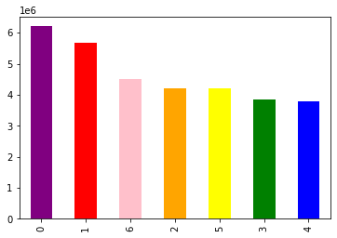
Create a bar chart of the "order_day_of_week" column

 |  | The bar chart shows the frequency of purchases on different days of the week, with Saturday and Sunday being the busiest.

Create a histogram of the "order_hour_of_day" column
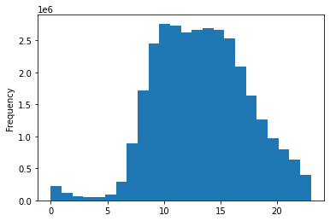
 |  | The histogram shows the frequency of purchases at different times of the day. Histogram distributions are left skewed by a relatively small order past midnight to early morning, peaking between 9am to 5pm.

>> The sales team also want to know whether there are particular times of the day when people spend the most money, as this might inform the type of products they advertise at these times. Check whether there’s a difference in expenditure (the “prices” column).

Create a line chart from "prices and "order_day_of_week" columns
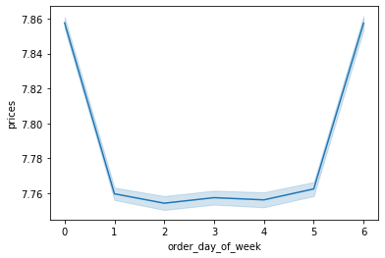
 |  | The line chart ilustrates how prices differ depending on the day of the week. The peaks occur on Saturday and Friday.

Create a line chart from "prices and "order_hour_of_day" columns
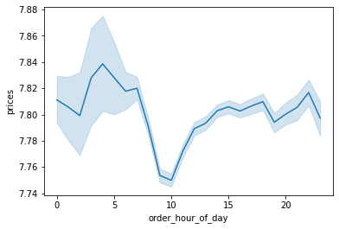
 |  | According to the line chart, prices fluctuate with the time of the day. Prices peak from 2am to 7am, decrease until 10am, then increase and stabilize from 3pm and then slightly increase from 8pm and 10pm. The error band from 0-7 is wider, indicating more variability in the prices.

Q2: The marketing team is curious about the distribution of orders among customers in terms of loyalty. Create a bar chart from the “loyalty_flag” column.

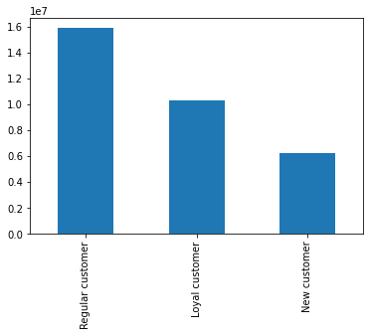
 |  | The bar chart shows the number of regular, loyal, and new customers using loyalty flag data. Regular customers account for the highest number of customers, while new customers account for the lowest number.

Q3: You’ll also need to explore whether there’s a connection between age and spending power (income). To visualize this relationship, create a scatterplot using the sns.scatterplot() function.
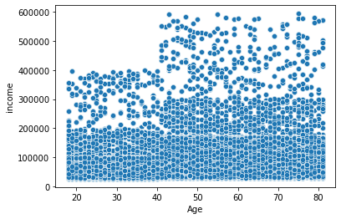
 |  | There is a potential positive correlation betwen age and income in the above scatterplot. However, the presence of outliers, or individuals with exceptionally high income, is observed across different age groups.
 |  | From age 20-40, incomes clustered between $25-200K, and then spread out between $200-400K, showing a few outliers with higher incomes than general population of the same age group.
 |  | Between age 40-80, income clusters between $25-300K (the upper income limit increases) and then spreads out from $300-600K, indicating individuals with higher income within the same group.

Q4: Are there certain types of products that are more popular than others? The marketing and sales teams want to know which departments have the highest frequency of product orders.
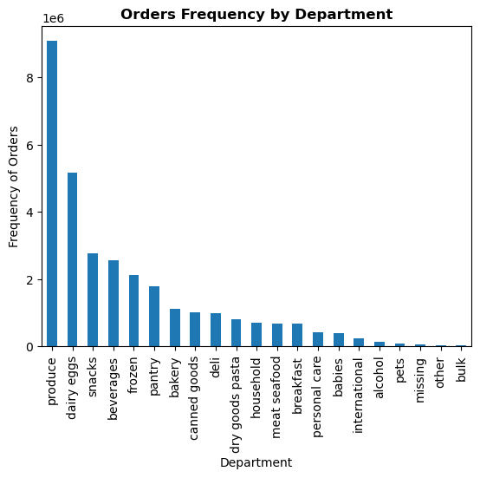

 |  | There are three departments with the highest frequency of product orders: produce, dairy, snacks

Q5: Are there differences in ordering habits based on a customer’s loyalty status?

>> By frequency of orders
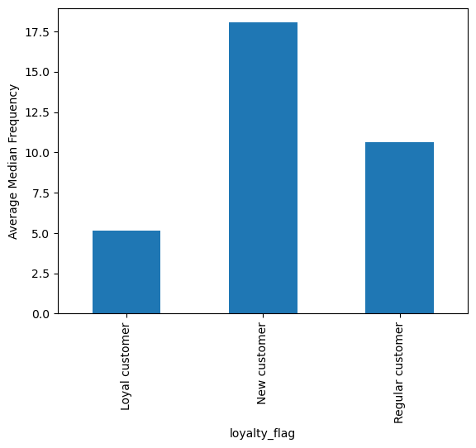
 | As expected, loyal customers have the lowest average number of days between order of around 5.2 days when compared to regular customers who have an average of 10.6 days, while new customers have an average of around 18 days before their next order.

>> By prices
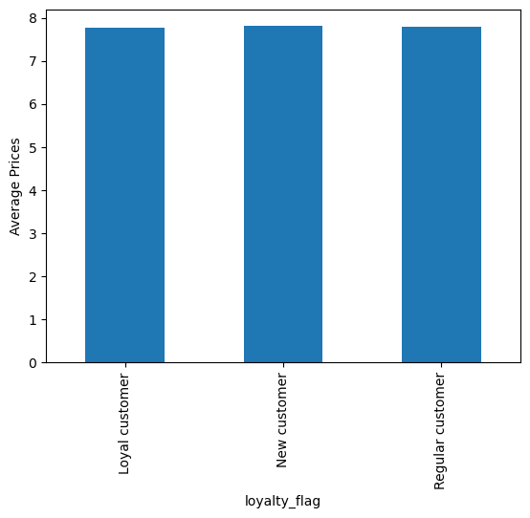
 | for each loyalty group of customers, loyal customers have slightly lower mean products price than regular and new customers.

Q6: Are there differences in ordering habits based on a customer’s region?

>> By frequency of orders
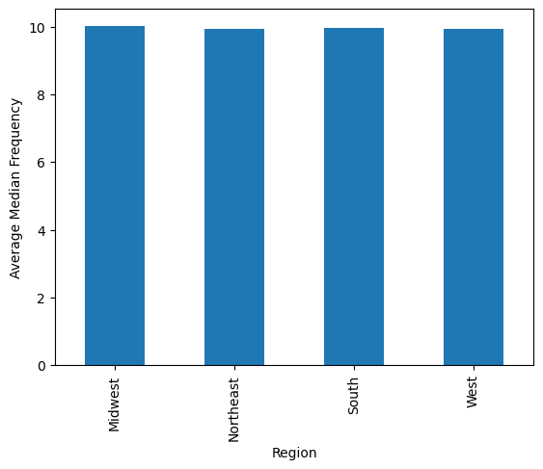
 | In terms of median of “days_since_prior_order”, The Midwest region's customers purchase frequency is slightly longer of around 10 days compared to the rest of regions.

>> By prices


 | The average prices of product spent is almost similar across all regions, with the South region having a slightly higher mean price than the rest.

Q7: Is there a connection between age and family status in terms of ordering habits?

>> Family Status by Age Group
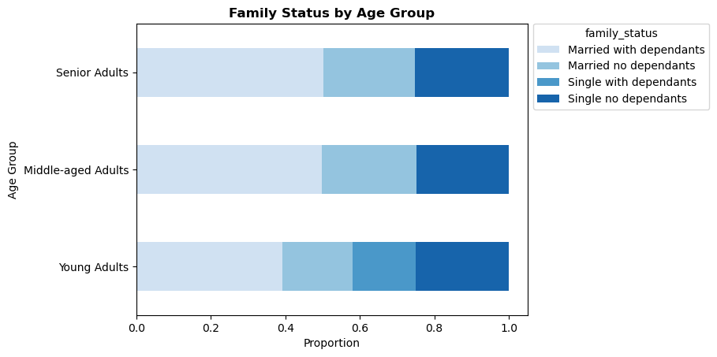
 |  | Compared to young adults, middle-aged and senior adults group have a larger proportion of Married with Dependants customers, while young adults group have smaller proportion of Married with no Dependants customers. Singles with dependants are not observed in middle-aged and senior adults groups.

>> By frequency of orders
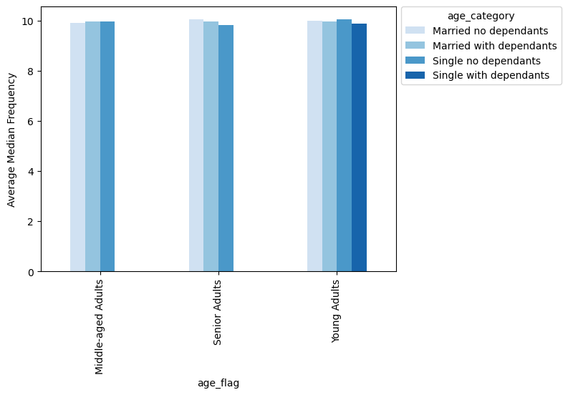
 |  | Senior single adults with no dependants adult tend to order slightly more often at around 9.83 days, while senior married adults with no dependants and young single adults with no dependant adults take slightly longer between purchases at around 10 days.

>> By prices

 |  | The average spending patterns is almost the same across all groups.

Q8: Create an appropriate visualization to show the distribution of profiles.

>> Customer Profiles by Age

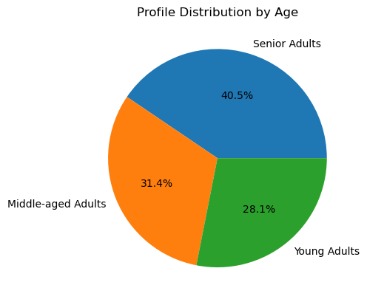
 |  | Categorization: Young Adults (18-35), Middle-aged Adults (36-55), Senior Adults (>56). Based on the chart, it appears that majority of customers are seniors, followed by middle-aged adults, and young adults being the lowest band.

>> Customer Profiles by Income
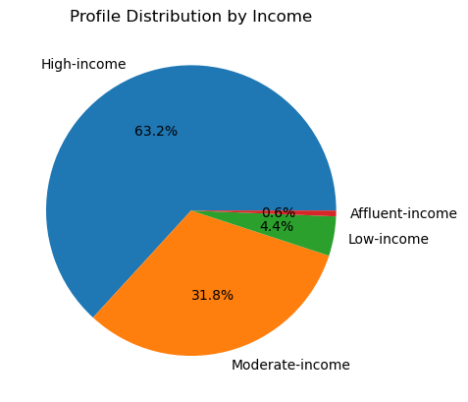
 |  | Categorization: Low-income (<35k), Moderate-income (35-75k), High-income (75-180k), Affluent-income (>=180k). The majority of Instacart customers earn between 75-180K while the least portion comes from customers who earn more than 180K.

>> Customer Profiles by Marital Status & Number of Dependants
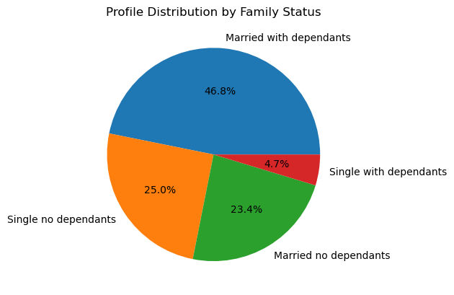
 |  | 70.2% of Instacart's customers are married couples either without dependants or with dependants, while the rest are single adults, including divorced or widowed.

>> Customer Profiles by Department ID
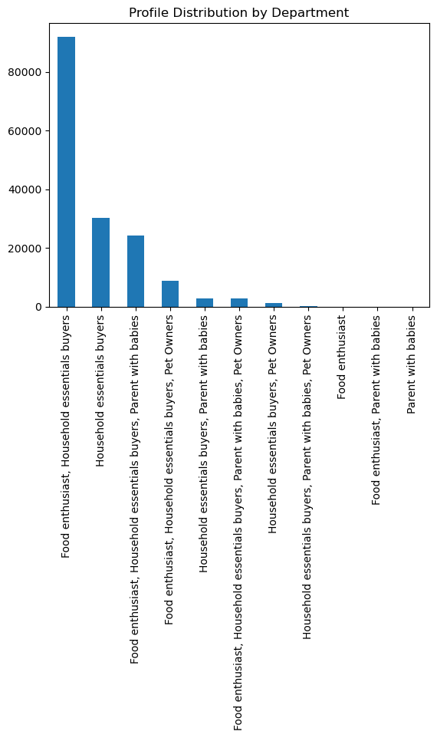
 |  | A combination of household essentials buyers and food enthusiasts makes up the largest segment of Instacart's customer base.

Q9: Compare your customer profiles with regions and departments.

>> Age-based Segmentation Profile

1) Age Profiles by Region |  | 2) Age Profiles by Department
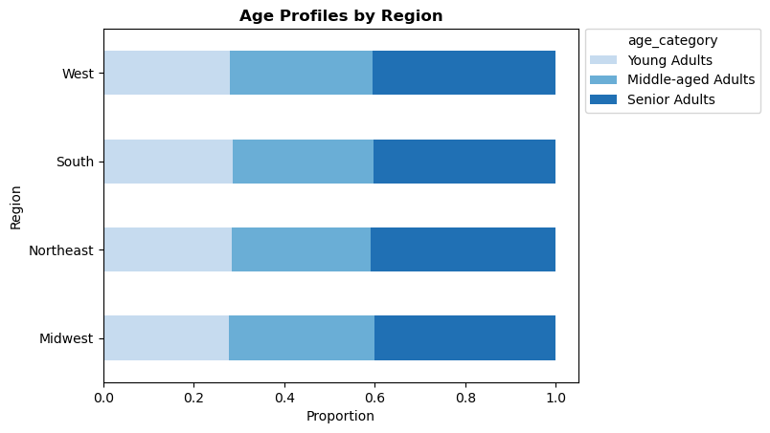
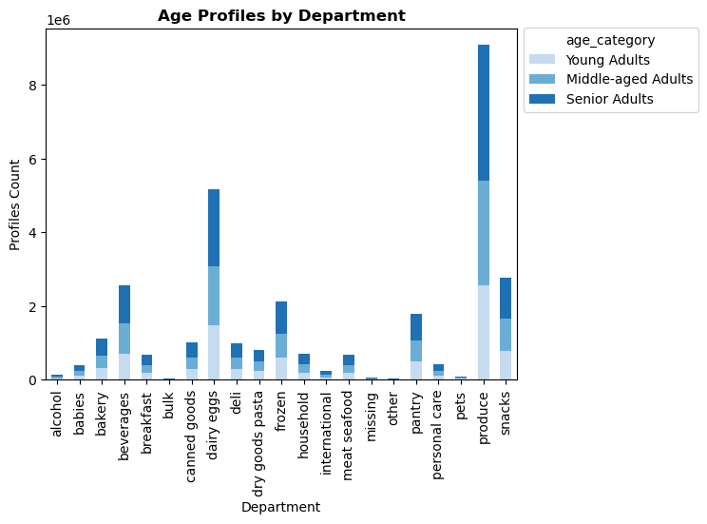

All regions have similar age group distributions. Across all regions, young adults make up the least proportion of Instacart's customer pools while seniors make up the most. Produce, dairy eggs, and snacks are the top three preferred departments across all age group

>> Income-based Segmentation Profile

1) Income Profiles by Region |  | 2) Income Profiles by Department
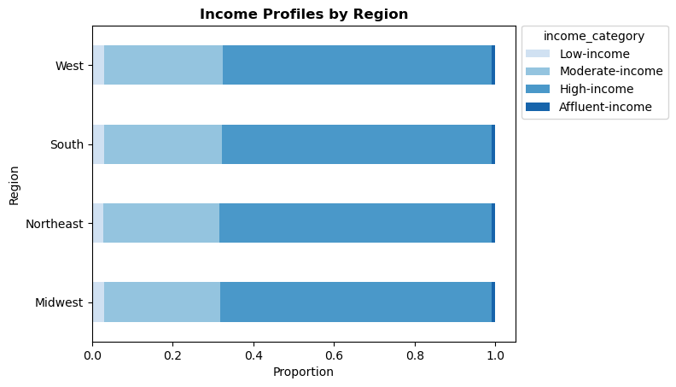
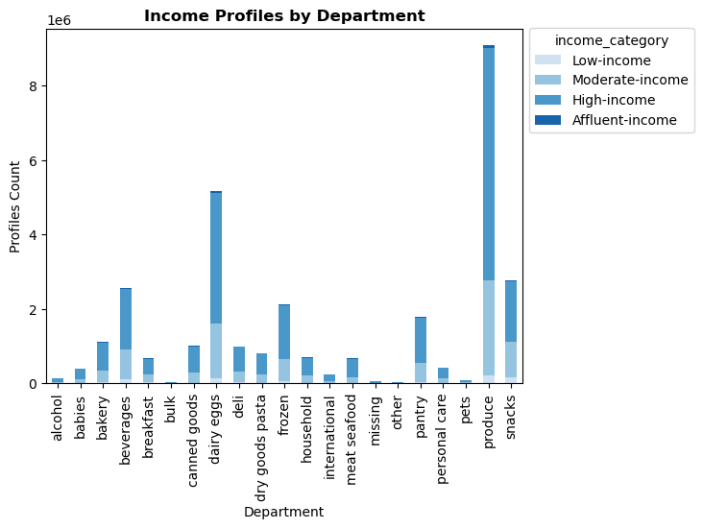

Across all regions, high-income customers made up the largest customer proportion, while affluent-income customers made up the smallest. Produce, dairy eggs, and snacks are the top three departments across all income profiles. As compared to other income groups, low-income customers spend more in the snack (18%) and beverage departments (12%). However, affluent-income customers spend less on the produce department (19%) compared to other income groups, but more on dairy eggs, frozen, pantry, bakery, household, alcohol, and pets. On the other hand, high-income customers purchase more produce (30%) while purchasing least in snacks and beverages department.

>> Family Status-based Segmentation Profile

1) Family Profiles by Region |  | 2) Family Profiles by Department
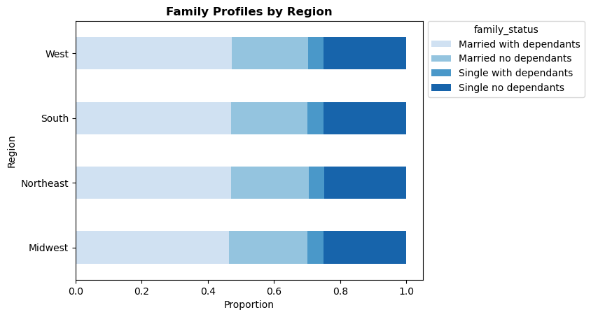
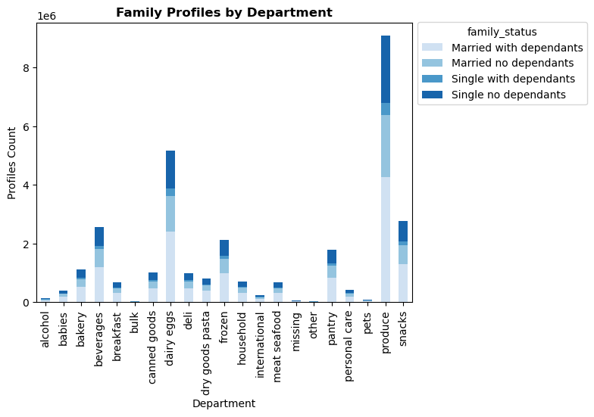

Family status proportions are similar across all regions with "Married with dependants" customers accounting for the highest proportion and "Single with dependants" customers accounting for the lowest. Produce, dairy, eggs, and snacks are the top three purchased departments across all family profiles. Similar distribution are observed across all family profiles. Single with dependants spend slightly more on alcohol (0.6% of purchases vs 0.5%) and pets (0.4% of purchases vs 0.3%) than other groups.

>>Department-based Segmentation Profile

1) Department Profiles by Region |  |  | 2) Department Profiles by Department
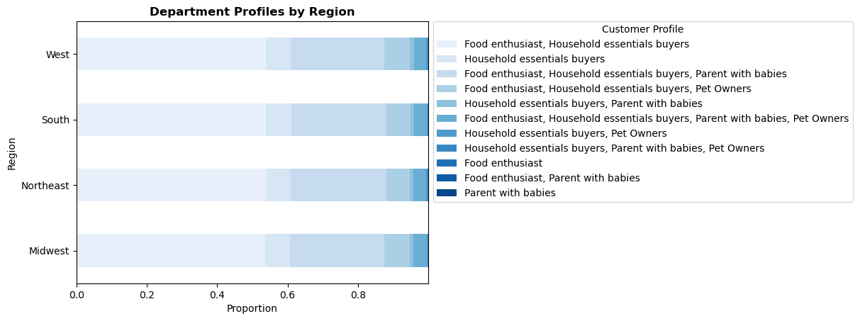
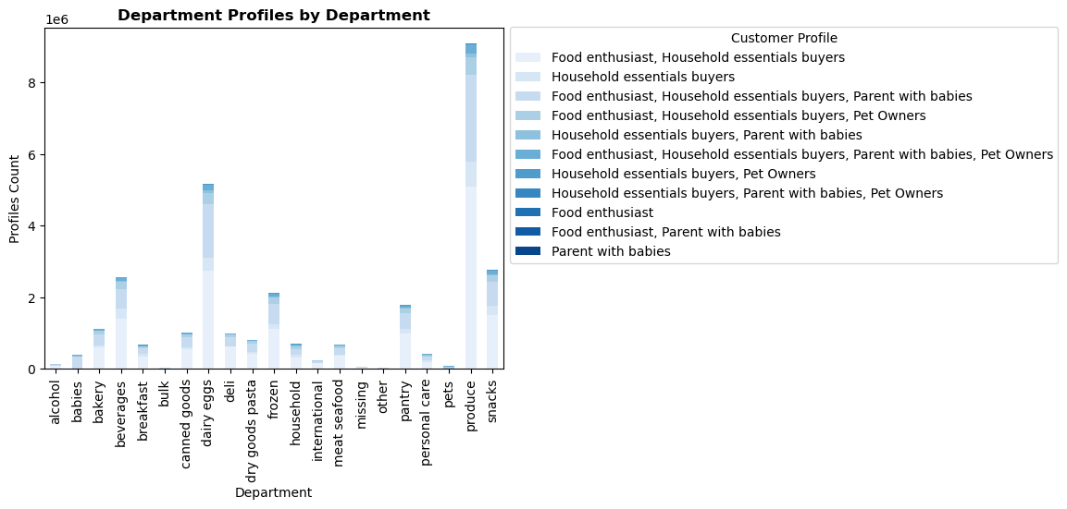

Across all regions, customer profiles are distributed similarly. A combined profile of food enthusiasts and household essentials buyers makes up the highest proportion. A majority of Instacart's customers purchase more on produce, dairy eggs, and snacks departments. Pure household essentials buyers purchase slightly more produce and snacks than other household essentials buyer' profile combination, while food enthusiast, household essentials and parent with babies buyers purchase dairy products in greater proportions in comparison to other categories.

7. Recommendations
 |  |  |  | Title page

Recommendations

In this tab you should include any recommendations you would made to Instcart in terms of their marketing strategy based on the questions posed in the brief. Every key question has been covered in the Tasks of the Exercises - here you need to add an item - a visualisation or table/crosstable that is showing the answer in the data, acompanied by a comment from you. Please, list the questions below and add the answer underneath.

Question 1
The sales team needs to know what the busiest days of the week and hours of the day are (i.e., the days and times with the most orders) in order to schedule ads at times when there are fewer orders.

Answer
The busiest days of the week are the weekends, with Saturdays being the busiest day. In terms of hours of the day, Instacart is consistently busy from 9am to 5pm, although traffic peaks between 10 and 11am and decreases steadily after 3pm. There is very little traffic from 1 to 5 am.

Bar chart of the "order_day_of_week" column |  | Histogram of the "order_hour_of_day" column

Recommendation
It would be ideal to schedule ads during the periods when there are fewer orders, especially during long-traffic hours and less busy days:
- Late night/early-morning hours (1-5am), since there is very little traffic during these hours, however it might not be so effective to schedule ads during this time as customers is likely to be inactive or low engagement. However, we can offering flash deals during the late-night/early-morning hours.
- Non-peak hours (7 to 9 am or after 5pm): While Instacart is consitently busy from 9am to 5pm, traffic peaks between 10 and 11am, scheduling the ads before or after this period may help reach users who less occupied and more likely to engage with the ads.
- Less busy days such as mid weekdays.

Question 2
They also want to know whether there are particular times of the day when people spend the most money, as this might inform the type of products they advertise at these times.

Answer
Instacart's customers spend the most money on Friday and Saturday with expenditure peaking from 2am to 7am, decreasing until 10am, then increasing before slightly decreasing at 7pm and then increasing back until 10pm. The Instacart's customers spend lesser in the morning time 8 to 11 am. The error band from 0-7 is wider, indicating that prices are more variable.

Line chart from "prices and "order_day_of_week" columns |  | Line chart from "prices and "order_hour_of_day" columns

Recommendation
Identify product categories that customers are likely to spend more money on during the specific times, for instance 2 to 7am or 10am to 3pm, then we can promote these products and also their related products on those specific times.

Question 3
Instacart has a lot of products with different price tags. Marketing and sales want to use simpler price range groupings to help direct their efforts.

Answer
We have grouped the products with different price tags as follows:
- items with price <= 5, labeled as 'Low-range product'
- items with price > 5 and price <= 15, labeled as 'Mid-range product'
- items with price > 15, labeled as 'High-range product'

Question 4
Are there certain types of products that are more popular than others? The marketing and sales teams want to know which departments have the highest frequency of product orders.

Answer
There are three departments with the highest frequency of product orders: produce, dairy eggs, snacks.

Bar chart of Order Frequency by Department

Recommendation
Gathering sales data that includes transaction dates information for these top three departments to identify any noticeable patterns or trends in customer behaviour and potential customer segments that can be targeted for ads and promotions.

Question 5
What’s the distribution among users in regards to their brand loyalty (i.e., how often do they return to Instacart)?

Answer
Regular customers account for the highest number of customers, while new customers account for the lowest number.

Bar chart of the loyalty_flag

Recommendation
- Regular customers. Nurture and strengthen the loyalty of regular customers by offering personalized experiences, exclusive rewards and promotions, and encouraging repeat purchases through incentives such as discount or free shipping for their next order.
- Loyal customers. Retain and nurture loyal customers by offering personalized experiences, rewards, and incentives to encourage repeat purchases and strengthen loyalty.
- New customers. While new customers account for the lowest number, we can focus on attract and convert new customers by offering first purchase incentives and providing best customer experience.

Question 6
Are there differences in ordering habits based on a customer’s loyalty status?

Answer
Yes. Loyal customers have the lowest average number of days between order of around 5.2 days when compared to regular customers who have an average of 10.6 days, while new customers have an average of around 18 days before their next order. In terms of spending, loyal customers spend slightly lower than regular and new customers.

Bar chart of frequency of orders |  | Bar chart of expenditures

Recommendation
- Loyal customers. Nurture repeat purchases from loyal customers and increase their purchase frequency by offering personalized recommendations based on history of purchase, sending a reminder for replenishment of consumable products, providing discounts or loyalty rewards for frequent orders.
- New customers. Convert the new customers into regular customers to shorten the order time between their purchase by offering incentives or reward for their next purchase.
- Regular customers. Engage the regular customers and shorten the time between their purchases through limited-time offers or product bundles promotion to incentivize the regular customers to make purchase sooner.

Question 7
Are there differences in ordering habits based on a customer’s region?

Answer
There are no significant differences between regions in terms of frequency of order or amount of money customers are willing to spend on the products.

Bar chart of frequency of orders |  | Bar chart of expenditures

Recommendation
Consistently monitor the trend and consider to include other factors such as loyalty, age, income when analyzing customer ordering habits based on their location.

Question 8
Is there a connection between age and family status in terms of ordering habits?

Answer
Compared to young adults, middle-aged and senior adults group have a larger proportion of Married with Dependants customers, while young adults group have smaller proportion of Married with no Dependants customers. Singles with dependants are not observed in middle-aged and senior adults groups. There is a connection between age and family status in terms of ordering habits. Senior single adults with no dependants adult tend to order slightly more often at around 9.83 days, while senior married adults with no dependants and young single adults with no dependant adults take slightly longer between purchases at around 10 days. However, the average spending patterns are almost the same across all groups.

Family Status by Age Group |  | Bar chart of frequency of orders |  | Bar chart of expenditures

Recommendation
- Target married adults with dependants since these adults make up larger proportion of customers across age group. We can develop marketing campaigns and promotions that highlight products that are suitable for families with dependants.
- Tailor promotions and offers specifically for the senior single adults with no dependants as this customer segment tends to order slightly often than the rest.
- Create targeted promotions or personalized offer that appeal to senior married adults with no dependants and young single adults in order to encourage them to shop often from Instacart

Question 9
What different classifications does the demographic information suggest? Age? Income? Certain types of goods? Family status?

Answer
We can classify the existing Instacart's customers into different age groups, income levels, certain types of goods, and their family status.

Customer Profiles by Age Groups | Customer Profiles by Income Levels |  | Customer Profiles by Family Status |  | Customer Profiles by Certain Types of Goods

Question 10
What differences can you find in ordering habits of different customer profiles?

Answer: Yes, by comparing the customer profiles from question 9 with regions and departments:
Across all regions, Instacart's customer pool consists of a similar age group distributions. Young adults make up the least proportion of customers, while seniors make up the most. As far as preferred products, produce, dairy eggs, and snacks are the top departments across all age groups. There are no obvious differences in the proportion of products customers are ordering across departments, as it is shown a similar pattern across age group. This suggest that age group only does not have an influence on the type of products they are choosing to purchase.

Across all regions, high-income customers made up the largest customer proportion, while affluent-income customers made up the smallest. Produce, dairy eggs, and snacks are the top three departments across all income profiles. As compared to other income groups, low-income customers spend more in the snack (18%) and beverage departments (12%). However, affluent-income customers spend less on the produce department (19%) compared to other income groups, but more on dairy eggs, frozen, pantry, bakery, household, alcohol, and pets. On the other hand, high-income customers purchase more produce (30%) while purchasing least in snacks and beverages department.

Family status proportions are similar across all regions with "Married with dependants" customers accounting for the highest proportion and "Single with dependants" customers accounting for the lowest. Produce, dairy, eggs, and snacks are the top three purchased departments across all family profiles. Similar distribution are observed across all family profiles. Single with dependants spend slightly more on alcohol (0.6% of purchases vs 0.5%) and pets (0.4% of purchases vs 0.3%) than other groups.

Across all regions, customer profiles by certain types of goods are distributed similarly. A combined profile of food enthusiasts and household essentials buyers makes up the highest proportion. A majority of Instacart's customers purchase more on produce, dairy eggs, and snacks departments. Pure household essentials buyers purchase slightly more produce and snacks than other household essentials buyer' profile combination, while food enthusiast, household essentials and parent with babies buyers purchase dairy products in greater proportions in comparison to other categories.

Recommendation
- Targeted promotions for specific age groups, for example for young adults, create campaigns that resonate with this age group by highlighting convenience, time-saving options, and trendy products whereby for seniors we can emphasize on health-conscious choices.
- Targeted marketing based on income levels. For low-income customers, emphasize on affordability, discounts, and value-for-money options, particularly in the snacks and beverages department. However for high-income and affluent-income customers, focus on high quality and premium quality offerings, while highlighting the freshness, quality, and variaty of produce, dairy eggs, and snacks.
- Family oriented promotions by developing marketing campaigns that cater to the needs of families. Highlight the convenience, variety, and nutrional value of produce, dairy eggs, and snacks. We can also offer bundling options or family-size packages to attract these "Married with dependants" customers.
- Segment marketing efforts based on customer profiles by certain types of goods. Develop campaigns or promotions for each profile of customer separately by highlighting the relevant product categories and benefits. We can also provide personalized recommendations based on their past purchases.

